Equipment
Equipment needed for 1 batch of Apple Pie
Gloves
Balance/Scale
Portion Cups of Varying Sizes - 2 oz souffle - 8 oz deli container - 16 oz deli container - 32 oz deli container | 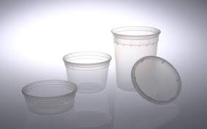 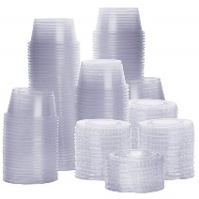
Mixing Bowls | 
Large Metal Pan
Rubber Spatula | 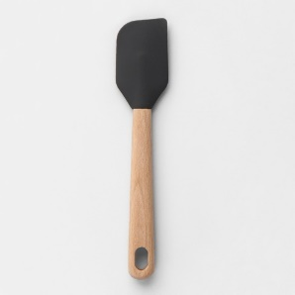
3.5" Diameter Pastry Cutter
Sheet Trays (4-5 per batch, 18"x13")
Small Knife
Parchment Paper
Pastry Brush | 
Fork
Oven (set at 375˚F) | 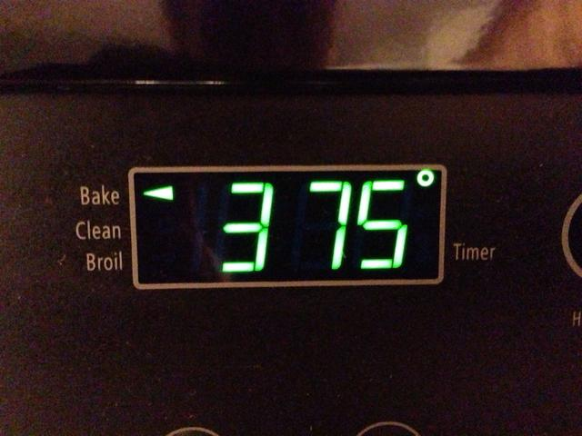

Ingredients
Ingredient needs for 1 batch of OG 001v Apple Pie |  |  | Ingredient needs for 1 batch of IP 002v Apple Pie |  |  | Ingredient needs for 1 batch of IPS 005v Apple Pie
Ingredient | Image | Amount Needed | Ingredient | Image | Amount Needed | Ingredient | Image | Amount Needed
Granny Smith Apples, peeled, cored, finely diced |  | 1134 g About 3-4 lbs Whole Apples, depending on size | Granny Smith Apples, peeled, cored, finely diced | 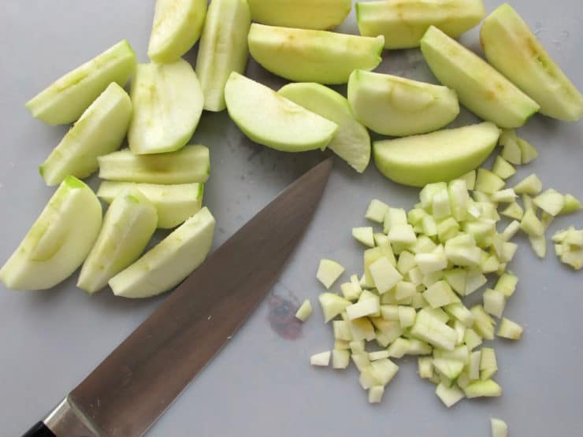 | 1134 g About 3-4 lbs Whole Apples, depending on size | Granny Smith Apples, peeled, cored, finely diced |  | 1134 g About 3-4 lbs Whole Apples, depending on size
White Sugar |  | 200 g | White Sugar |  | 75 g | White Sugar |  | 75 g
Lemon Juice |  | 30.5 g | Lemon Juice |  | 30.5 g | Lemon Juice |  | 30.5 g
Iodized Salt |  | 1.2 g | Iodized Salt |  | 0.5 g | Iodized Salt |  | 0.5 g
McCormick Red-cap Cinnamon |  | 1.5 g | McCormick Red-cap Cinnamon |  | 1.5 g | McCormick Gourmet Saigon Cinnamon |  | 3 g
All-Purpose Flour |  | 15.5 g | All-Purpose Flour |  | 15.5 g | Vanilla |  | 8 g
Butter, unsalted |  | 85.2 g | Butter, unsalted |  | 25 g | All-Purpose Flour |  | 15.5 g
Great Value Pie Crust, refrigerated |  | 9 each, (5 box) | Water |  | 60 g | Butter, unsalted |  | 25 g
Egg, whisked, for wash |  | 3 each | Great Value Pie Crust, refrigerated |  | 9 each, (5 box) | Water |  | 60 g
 |  |  | Egg, whisked, for wash |  | 3 each | Great Value Pie Crust, refrigerated |  | 9 each, (5 box)
 |  |  |  |  |  | Egg, whisked, for wash |  | 3 each

Original
Procedure for OG 001v Apple Pie
Serving: 1 handpie | Samples per Recipe: 60 handpies - 1 Tbsp filling per pie
PREPARATIONS
Collect and scale all ingredients individually - Granny Smith Apples, peeled, cored, finely diced 1134g - Granulated Sugar 200g - Lemon Juice 30.5g - Cinnamon 1.5g - Iodized Salt 1.2g - All-Purpose Flour 15.5g - Butter, unsalted 85.2g - Great Value Pie Crust 9 each - Egg, whisked, for wash 3 each Note: When chopping apples, store in a water bath with a small amount of lemon juice to prevent browning. | 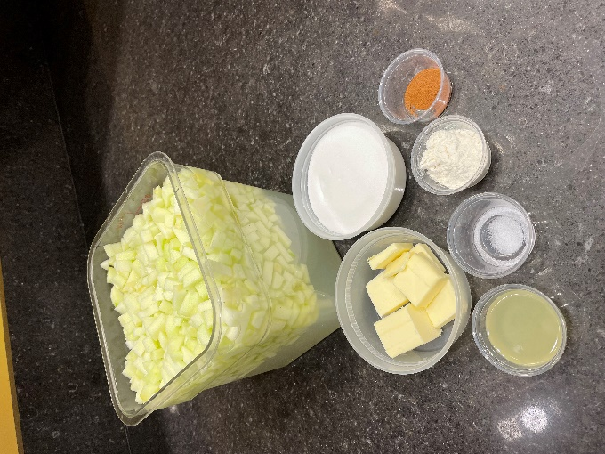
PIE FILLING - can be made 2-3 days prior to study
1. In a medium bowl, combine apples, sugar, and lemon juice. Mix until apples are evenly coated. | 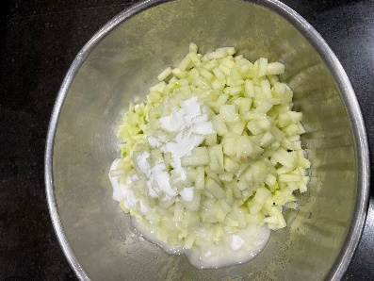
2. Add salt, cinnamon, and flour. Stir until evenly distributed. | 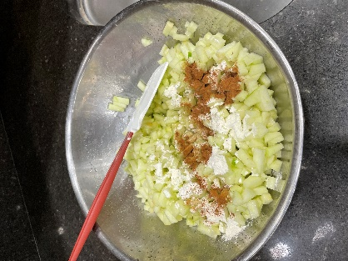 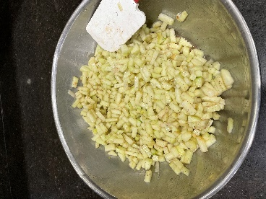
3. In a large metal pan over medium heat, melt butter and add apple mixture. Cook, stirring, until apples soften, about 20 minutes. Remove from heat and cool completely. | 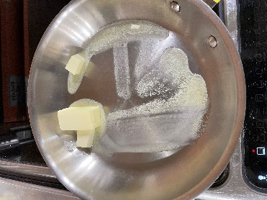 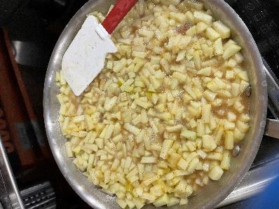
4. Store in refrigerator until pie assembly.
PIE ASSEMBLY - can be made 1-2 days prior to testing
1. On a parchment-lined sheet tray, unroll pie crust. Use a 3.5" diameter pastry cutter to cut 7 circles. Repeat for remaining pie crusts. Note: Let pie crusts sit at room temp for 10 minutes before unrolling to prevent cracking. | 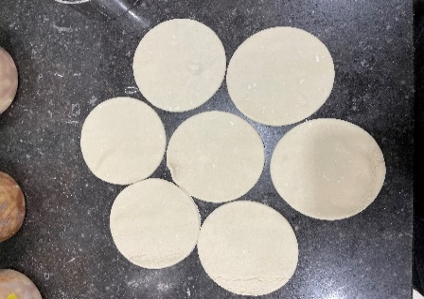 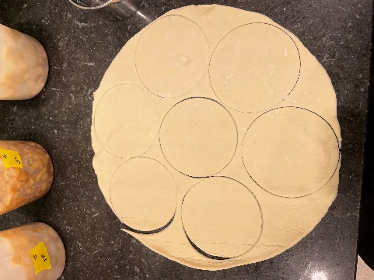
Steps 2-4 are for one handpie. Repeat for all pastry circles 2. Place 1 tablespoon of apple filling in the center of a pastry circle.
3. Rub egg wash on the edge of half the pastry. Fold pastry in half over apple filling, pressing together to make a half-moon shape.
4. Press a fork along the edges of the handpie to complete the seal. Use a knife to make 4 small air holes on the top of the pie. | 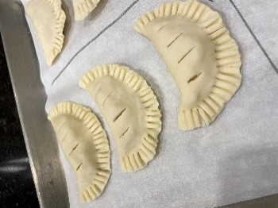
5. Place prepared handpies on parchment lined sheet trays with a minimum of 1/2" of space between each. Wrap trays with plastic and store in the refrigerator until testing day. Note: Assembled pies can also be stored in the freezer for up to 1 week.
TESTING DAY
1. Preheat oven to 375°F. Remove pies from refrigerator and brush each lightly with egg wash. | 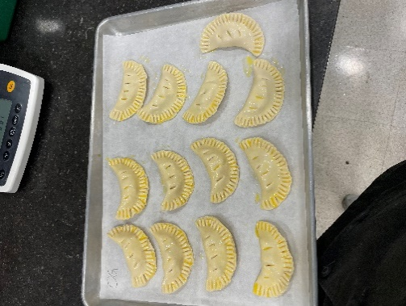
2. Bake at 375°F until golden brown, about 18-20 minutes rotating pan halfway through bake time. Remove pies from oven and let cool to room temperature, at least 20 minutes. If baking from frozen, bake pies for 26-28 minutes. | 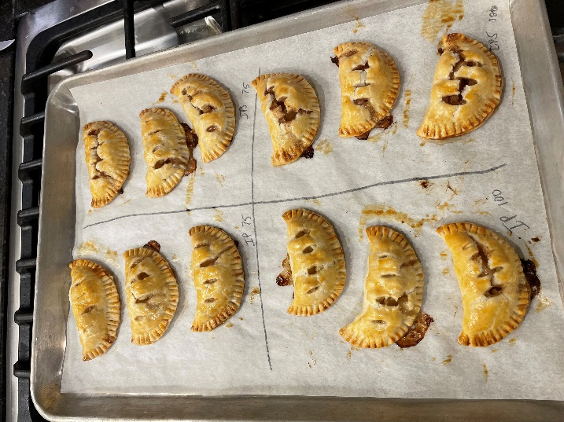
3. Hold baked pies at room temperature for testing. Serve one handpie per sample. | 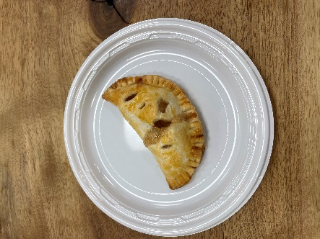

Nutritional Improved
Procedure for IP 002v Apple Pie
Serving: 1 handpie | Samples per Recipe: 60 handpies - 1 Tbsp filling per pie
PREPARATIONS
Collect and scale all ingredients individually - Granny Smith Apples, peeled, cored, finely diced 1134g - Granulated Sugar 75g - Lemon Juice 30.5g - Cinnamon 1.5g - Iodized Salt 0.5g - All-Purpose Flour 15.5g - Butter, unsalted 25g - Water 60g - Great Value Pie Crust 9 each - Egg, whisked, for wash 3 each Note: When chopping apples, store in a water bath with a small amount of lemon juice to prevent browning. | 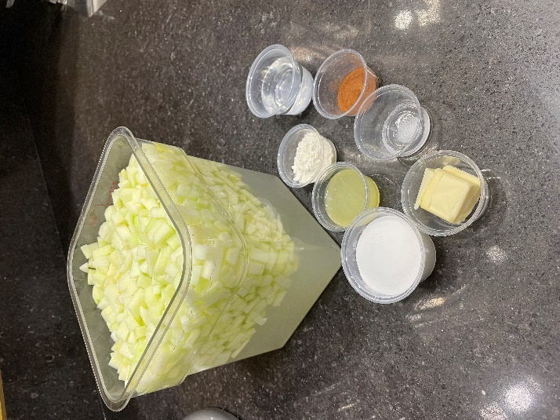
PIE FILLING - can be made 2-3 days prior to test
1. In a medium bowl, combine apples, sugar, and lemon juice. Mix until apples are evenly coated. | 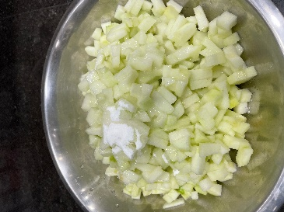
2. Add salt, cinnamon, and flour. Stir until evenly distributed.
3. In a large metal pan on medium heat, melt butter and add apple mixture and water. Cook, stirring, until apples soften, about 20 minutes. Remove from heat and cool completely. | 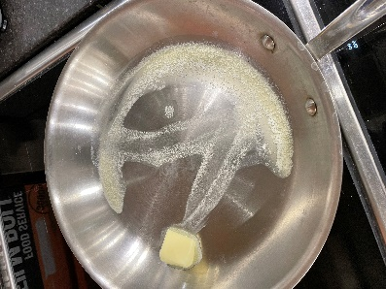 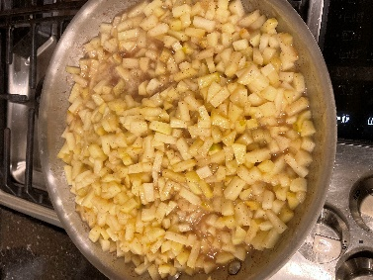
4. Store in refrigerator until pie assembly.
PIE ASSEMBLY - can be made 1-2 days prior to test
1. On a parchment-lined sheet tray, unroll pie crust. Use a 3.5" diameter pastry cutter to cut 7 circles. Repeat for remaining pie crusts. Note: Let pie crusts sit at room temp for 10 minutes before unrolling to prevent cracking. | 
Steps 2-4 are for one handpie. Repeat for all pastry circles 2. Place 1 tablespoon of apple filling in the center of pastry circle.
3. Rub egg wash on the edge of half the pastry. Fold pastry in half over apple filling, pressing together to make a half-moon shape.
4. Press a fork along the edges of the handpie to complete the seal. Use a knife to make 4 small air holes on the top of the pie.
5. Place prepared handpies on parchment lined sheet trays with a minimum of 1/2" of space between each. Wrap trays with plastic and store in the refrigerator until testing day. Note: Assembled pies can also be stored in the freezer for up to 1 week.
TESTING DAY
1. Preheat oven to 375°F. Remove pies from refrigerator and brush each lightly with egg wash.
2. Bake at 375°F until golden brown, about 18-20 minutes rotating pan halfway through bake time. Remove pies from oven and let cool to room temperature, at least 20 minutes. If baking from frozen, bake pies for 26-28 minutes.
3. Hold baked pies at room temperature for testing. Serve one handpie per sample.

Flavor Enhanced Nutritionally I
Procedure for IPS 006v Apple Pie
Serving: 1 handpie | Samples per Recipe: 60 handpies - 1 Tbsp filling per pie
PREPARATIONS
Collect and scale all ingredients individually - Granny Smith Apples, peeled, cored, finely diced 1134g - Granulated Sugar 75g - Lemon Juice 30.5g - Saigon Cinnamon 3.5g - Vanilla Extract 8g - Iodized Salt 0.5g - All-Purpose Flour 15.5g - Butter, unsalted 25g - Water 60g - Great Value Pie Crust 9 each - Egg, whisked, for wash 3 each Note: When chopping apples, store in a water bath with a small amount of lemon juice to prevent browning. | 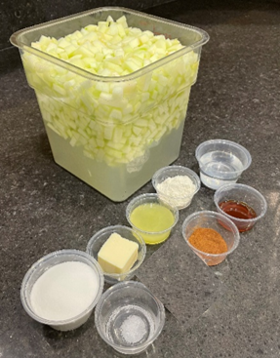
PIE FILLING - can be made 2-3 days prior to test
1. In a medium bowl, combine apples, sugar, lemon juice, and vanilla. Mix until apples are evenly coated.
2. Add salt, cinnamon, and flour. Stir until evenly distributed. | 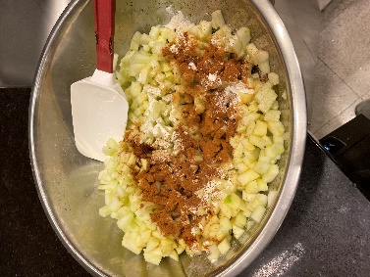 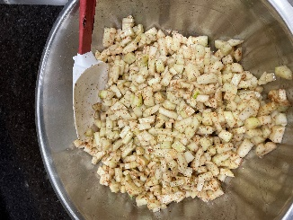
3. In a large metal pan on medium heat, melt butter and add apple mixture and water. Cook, stirring, until apples soften, about 20 minutes. Remove from heat and cool completely. | 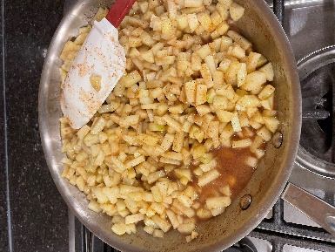
4. Store in refrigerator until pie assembly.
PIE ASSEMBLY - can be done 1-2 days prior to test
1. On a parchment-lined sheet tray, unroll pie crust. Use a 3.5" diameter pastry cutter to cut 7 circles. Repeat for the remaining pie crusts. Note: Let pie crusts sit at room temp for 10 minutes before unrolling to prevent cracking. | 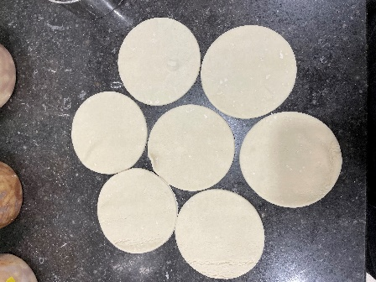
Steps 2-4 are for one handpie. Repeat for all pastry circles. 2. Place 1 tablespoon of apple filling in the center of pastry circle.
3. Rub egg wash on the edge of half the pastry. Fold pastry in half over apple filling, pressing together to make a half-moon shape.
4. Press a fork along the edges of the handpie to complete the seal. Use a knife to make 4 small air holes on the top of the pie.
5. Place prepared handpies on parchment lined sheet trays with a minimum of 1/2" of space between each. Wrap trays with plastic and store in the refrigerator until testing day. Note: Assembled pies can also be stored in the freezer for up to 1 week.
TESTING DAY
1. Preheat oven to 375°F. Remove pies from refrigerator and brush each lightly with egg wash.
2. Bake at 375°F until golden brown, about 18-20 minutes rotating pan halfway through bake time. Remove pies from oven and let cool to room temperature, about 20 minutes. If baking from frozen, bake pies for 26-28 minutes.
3. Hold baked pies at room temperature for testing. Serve one handpie per sample.

